Sheet1
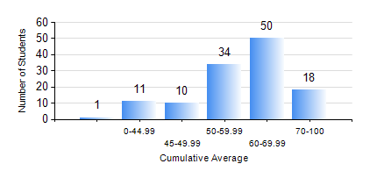
 |  |  | KWAME NKRUMAH UNIVERSITY OF SCIENCE AND TECHNOLOGY, KUMASI Department of Geomatic Engineering

 |  |  | BSC. GEOMATIC ENG.

 |  |  | COMPREHENSIVE RECORD OF EXAMINATION RESULTS

 |  |  | RESULTS OF YEAR 1 FIRST SEMESTER, 2021/2022 ACADEMIC YEAR

 | Sn | Course Code |  | Course Name | Credit Hours | Min. Mark | Max. Mark | Avg. Mark | Std. Dev. | No. Passed | No. Trailed | No. (Df) | No. (I) | No. (I*) | No. Tagged(I,I*,Df) | Total
 | 0. |  |  |  |  |  |  | 0 | 0 | 0 | 0 | 0 | 0 | 0 | 0 | 1
 | 1. | ENGL 157 |  | COMMUNICATION SKILLS I | 2 | 30 | 88 | 57 | 10.81 | 122 | 1 | 0 | 0 | 0 | 0 | 123
 | 2. | GE 151 |  | CARTOGRAPHY I | 2 | 41 | 89 | 67 | 9.59 | 123 | 0 | 0 | 0 | 0 | 0 | 123
 | 3. | GE 161 |  | BASIC SURVEY PRINCIPLES I | 3 | 34 | 93 | 67 | 11.44 | 122 | 1 | 0 | 0 | 0 | 0 | 123
 | 4. | GE 171 |  | APPLIED OPTICS | 2 | 11 | 90 | 61 | 18.42 | 107 | 16 | 0 | 0 | 0 | 0 | 123
 | 5. | MATH 151 |  | ALGEBRA | 4 | 30 | 75 | 50 | 10.09 | 116 | 7 | 0 | 0 | 0 | 0 | 123
 | 6. | ME 159 |  | TECHNICAL DRAWING | 2 | 20 | 87 | 63 | 14.92 | 118 | 5 | 0 | 0 | 0 | 0 | 123
 | 7. | ME 161 |  | BASIC MECHANICS | 3 | 22 | 88 | 60 | 12.22 | 121 | 2 | 0 | 0 | 0 | 0 | 123

